Mapping Document
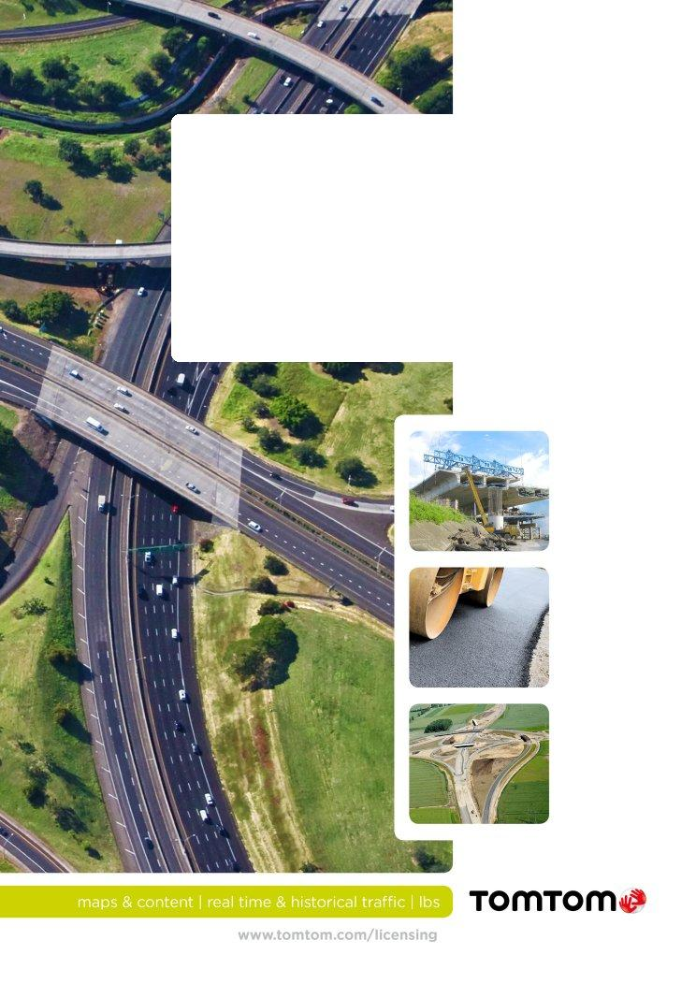

MultiNet GDF v. 3.6.6
versus
MultiNet Shapefile v. 4.8

Mapping Document

 | Mapping Document
 | MultiNet GDF v. 3.6.6 versus MultiNet Shapefile v. 4.8
 | MultiNet GDF 3.6.6 spec doc version 1.0.2
 | MultiNet Shapefile 4.8 spec doc version 1.1.9
 | mapping doc version 1.0.0

EXTERNAL USE - STATUS FINAL
 | CDL# TT00198615
 | Rev. 2.0

